CountVerification
Count Validation

Source Data

Sql | SEL COUNT(*) FROM AR186005.CORE_AZURE_RETAIL_CUSTOMER WHERE CURR_IND = 'Y'

 | Count(*)
1 | 4000

ScreenShot
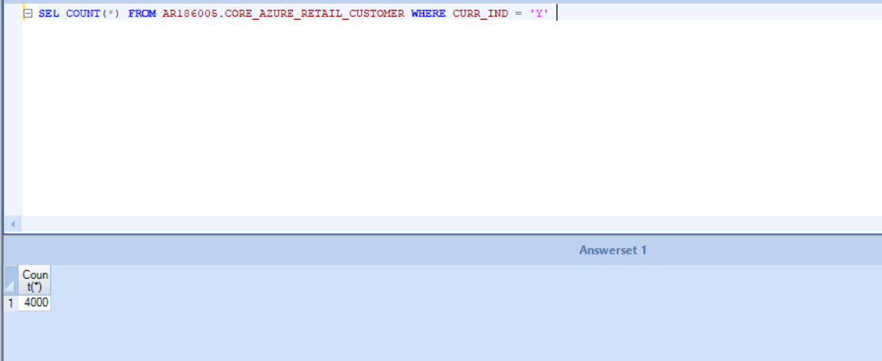

Target Data

Tool Specific Validation
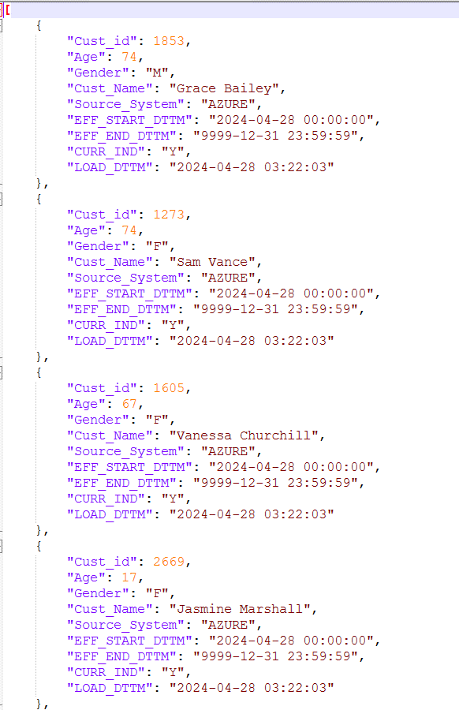
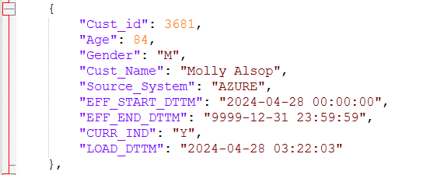
Data Publication

Use Case | Export the changed Customer records to a delimited file after the Delta loading is complete.
 | Format should be on similar lines as the json input file provided for online_products, albeit with the orders pertinent to customer

Sample Source Data

SEL * FROM AR186005.CORE_AZURE_RETAIL_CUSTOMER WHERE CURR_IND = 'Y' AND CUST_ID IN ('2625','1273','1605','2669','3681')

 | Cust_id | Age | Gender | Cust_Name | Source_System | EFF_START_DTTM | EFF_END_DTTM | CURR_IND | LOAD_DTTM
1 | 2625 | 9 | F | Donna Watson | AZURE | 28-04-2024 00:00:00 | 31-12-9999 23:59:59 | Y | 28-04-2024 03:22:03.000000
2 | 1273 | 74 | F | Sam Vance | AZURE | 28-04-2024 00:00:00 | 31-12-9999 23:59:59 | Y | 28-04-2024 03:22:03.000000
3 | 1605 | 67 | F | Vanessa Churchill | AZURE | 28-04-2024 00:00:00 | 31-12-9999 23:59:59 | Y | 28-04-2024 03:22:03.000000
4 | 2669 | 17 | F | Jasmine Marshall | AZURE | 28-04-2024 00:00:00 | 31-12-9999 23:59:59 | Y | 28-04-2024 03:22:03.000000
5 | 3681 | 84 | M | Molly Alsop | AZURE | 28-04-2024 00:00:00 | 31-12-9999 23:59:59 | Y | 28-04-2024 03:22:03.000000

Sample Target Data

